ABL
 | Top-up
 |  |  |  |  |  |  |  | Please Select
Loan Amount | $8,010,000 |  | Property Valution: | $26,700,000 |  | Asset Value: | $5,340,000 | New Purchase
Other Mortgage Loan: |  |  |  |  |  |  |  | Refinance
Credit Card limit: |  |  |  |  |  |  |  | Top-up
OD / RCF limit: |  |  |  |  |  |  |  | EQL

Asset Based Lending |  | Mortgage outstanding |  | Property Valution | Share of Ownership |  | Asset Value
Property 1 |  |  |  | $3,800,000 | 100% |  | $1,900,000
Property 2 |  | $3,048,964 |  | $12,500,000 | 100% |  | $3,201,036
Property 3
Property 4
Property 5
Property 6
Property 7
Property 8
 |  |  |  |  |  | Total : | $10,441,036

 |  | Latest month |  | 3 month Avg (if any) | Share of ownership |  | Asset Value
Account 1 |  |  |  | $3,500,000 | 100% |  | $3,500,000
Account 2 |  |  |  | $2,000,000 | 100% |  | $2,000,000
Account 3
Account 4
Account 5
Account 6
Account 7
Account 8
 |  |  |  |  |  | Total: | $5,500,000
ABL Should Be OK

 |  |  |  |  |  | Total Net Asset Value: | $7,931,036

Excel input
1. Input Purchase price for new purchase property OR loan amount for refinance case

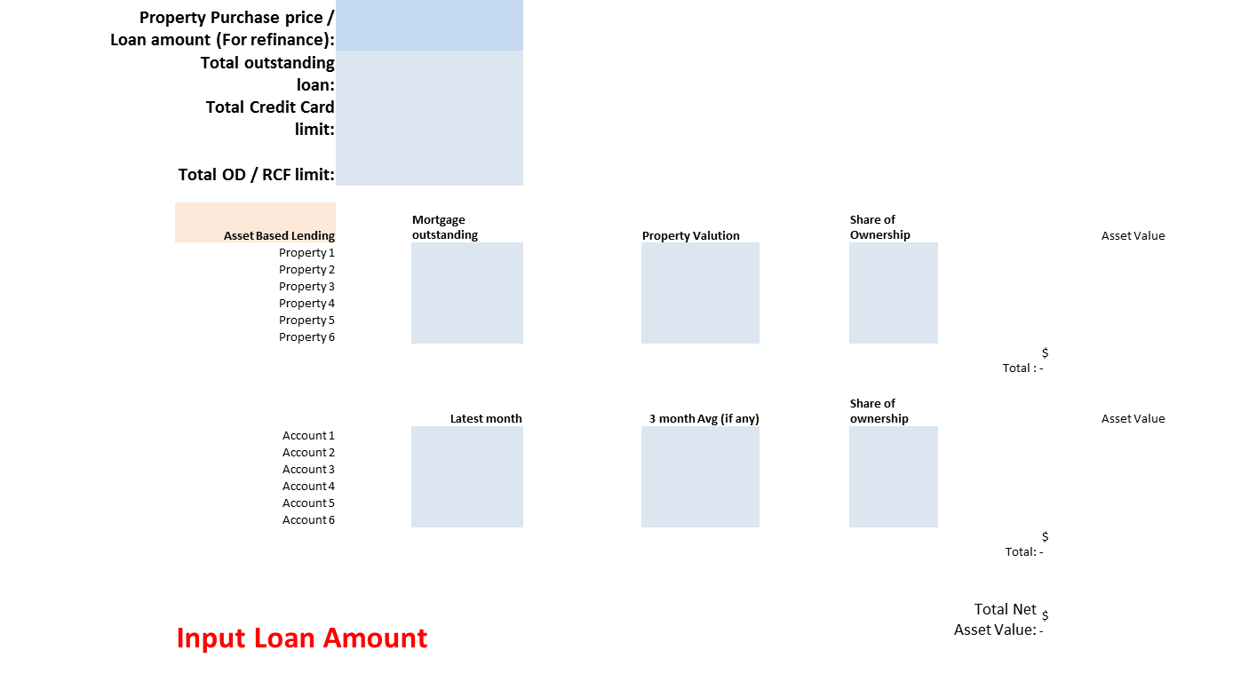

2. All the outstanding loans , limit

3. Asset belongs to applicant (Property, accounts)

